BOM
Mulbot DL1 BOM
Item | QTY | Part Number | Description | Vendor | Thumbnail
1 | 1 | DL1-01 | Y-AXIS FRAME | 3DPW | 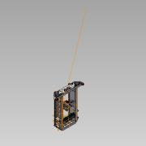
2 | 1 | DL1-02 | Z-AXIS FRAME | 3DPW | 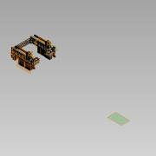
3 | 1 | DL1-03 | BED ASSEMBLY | 3DPW | 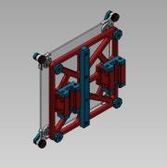
4 | 1 | DL1-04 | X-AXIS ASSEMBLY | 3DPW | 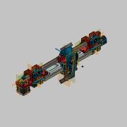
5 | 1 | DL1-05 | DISPLAY ASSEMBLY | 3DPW | 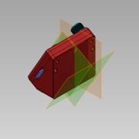
6 | 1 | DL1-06 | IDLER ASSEMBLY | 3DPW | 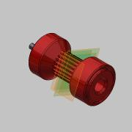
7 | 1 | 1001 | XS BOWDEN TUBING | CAPRICORN | 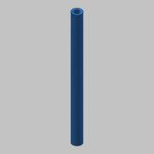
8 | 1 | V6 LITE 1.75MM | GENUINE E3D BOWDEN HOT END | FILASTRUDER | 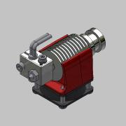
9 | 1 | EZR | EXTRUDER | MATTERHACKERS |  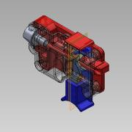
10 | 2 | 1102K520 | DRIVE-IN ZERT | MCMASTER | 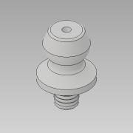
11 | 57 | 94180A331 | M3 HEAT SET THREAD INSERT | MCMASTER | 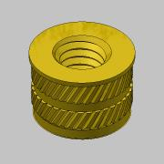
12 | 9 | 94180A351 | M4 HEAT SET THREAD INSERT | MCMASTER | 
13 | 1 | 1.4 | RAMPS | SAINSMART | 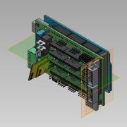
14 | 1 | 1.4 | RAMP BOARD | SAINSMART | 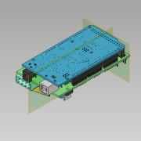
15 | 1 | 1.4 ADAPTOR | DISPLAY ADAPTOR | SAINSMART | 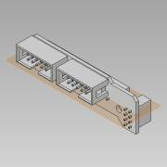
16 | 6 | DL1-02-08 | MOUNTING FOOT, TPU | SAINSMART | 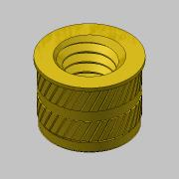
17 | 3 | LS | LIMIT SWITH | SAINSMART | 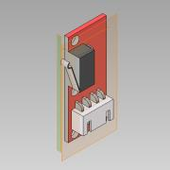 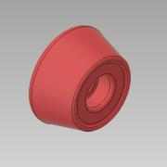
18 | 1 | REPRAP | DISCOUNT DISPLAY | SAINSMART | 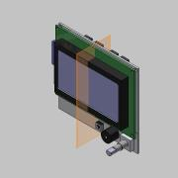
19 | 1 | Y-BELT | TPU, X-AXIS BELT | SAINSMART | 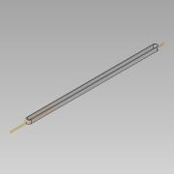
20 | 1 | DL1-01-01 | Y-AXIS, LEFT FRAME RAIL | SOLUTECH | 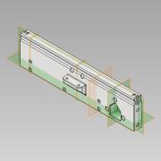
21 | 1 | DL1-01-02 | Y-AXIS, RIGHT FRAME RAIL | SOLUTECH | 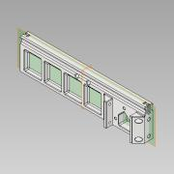
22 | 1 | DL1-01-03 | Y-AXIS, FRONT CONECTOR | SOLUTECH | 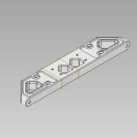
23 | 1 | DL1-01-04 | Y-AXIS. BACK CONNECTOR | SOLUTECH | 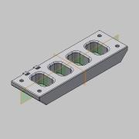
24 | 1 | DL1-01-05 | WIRE WAY | SOLUTECH |  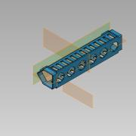
25 | 4 | DL1-01-06 | Y-AXIS, ENDSTOP | SOLUTECH | 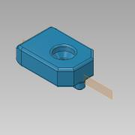
26 | 1 | DL1-01-07 | Y-AXIS, MOTOR MOUNT | SOLUTECH | 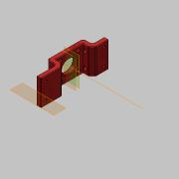
27 | 1 | DL1-01-09 | Y-AXIS, DRIVE GEAR | SOLUTECH | 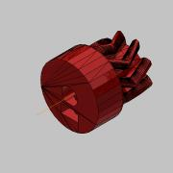
28 | 1 | DL1-02-01 | Z-AXIS RAIL, LEFT | SOLUTECH | 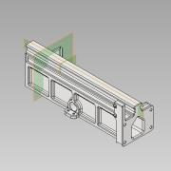
29 | 1 | DL1-02-02 | Z-AXIS RAIL, RIGHT | SOLUTECH | 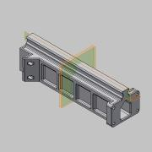
30 | 1 | DL1-02-03 | CROSS FRAME, LEFT | SOLUTECH | 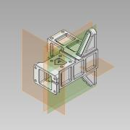
31 | 1 | DL1-02-04 | CROSS FRAME, RIGHT | SOLUTECH | 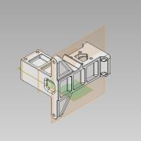
32 | 1 | DL1-02-05 | Z-AXIS, CROSS BAR | SOLUTECH | 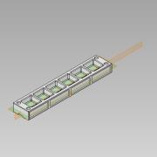
33 | 2 | DL1-02-06 | Z-AXIS, ACREW | SOLUTECH | 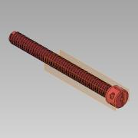
34 | 2 | DL1-02-07 | Z-AXIS, MOTOR MOUNT | SOLUTECH | 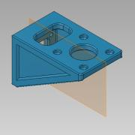
35 | 1 | DL1-02-09 | RAMPS ENCLOSURE | SOLUTECH | 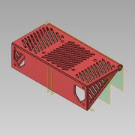
36 | 1 | DL1-02-10 | RAMPS DOOR | SOLUTECH | 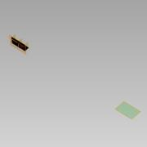
37 | 1 | DL1-02-11 | LARGE ROBOT HEAD | SOLUTECH | 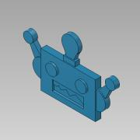
38 | 1 | DL1-02-12 | WIRE STRAIN, COVER | SOLUTECH | 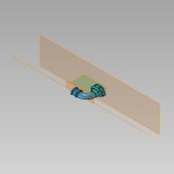
39 | 1 | DL1-02-13 | WIRE STRAIN, MOUNT | SOLUTECH | 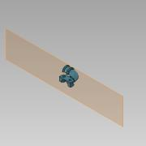
40 | 1 | DL1-02-14 | ROBOT HEAD SPINNER | SOLUTECH | 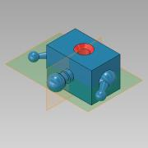
41 | 1 | DL1-02-15 | POWER SUPPLY, GUARD | SOLUTECH | 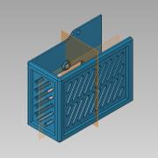
42 | 1 | DL1-02-16 | EXTRUDER MOUNTING BRACKET | SOLUTECH | 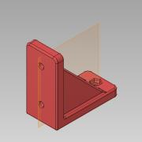
43 | 2 | DL1-03-01 | Y-AXIS, CARRIAGE | SOLUTECH | 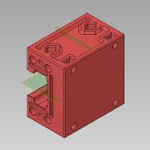
44 | 9 | DL1-03-02 | BEARING CAP | SOLUTECH | 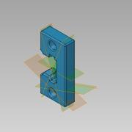
45 | 1 | DL1-03-03 | Y-AXIS, GEAR RACK | SOLUTECH | 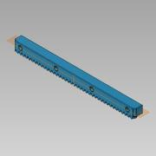
46 | 1 | DL1-03-04 | BED SUPPORT | SOLUTECH | 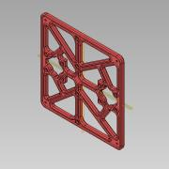
47 | 4 | DL1-03-05 | LEVELING KNOB | SOLUTECH | 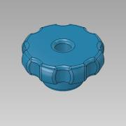
48 | 4 | DL1-03-06 | GLASS CORNER LOCATOR | SOLUTECH | 
49 | 4 | DL1-03-07 | GLASS CLAMP | SOLUTECH | 
50 | 4 | DL1-03-08 | CORNER THREAD | SOLUTECH | 
51 | 1 | DL1-04-01 | Z-AXIS, LEFT CARRIAGE | SOLUTECH | 
52 | 1 | DL1-04-02 | Z-AXIS, RIGHT CARRIAGE | SOLUTECH | 
53 | 1 | DL1-04-03 | HOT END CARRIAGE | SOLUTECH | 
54 | 1 | DL1-04-04 | X-AXIS BEARING RAIL | SOLUTECH | 
55 | 1 | DL1-04-05 | LIMIT EXTENDER | SOLUTECH | 
56 | 2 | DL1-04-06 | Z-AXIS NUT | SOLUTECH | 
57 | 1 | DL1-04-07 | HOT END CLAMP | SOLUTECH | 
58 | 1 | DL1-04-08 | DRIVE PULLEY | SOLUTECH | 
59 | 1 | DL1-04-09 | X-AXIS, BELT CLAMP | SOLUTECH | 
60 | 1 | DL1-04-10 | TAKE UP BRACKET | SOLUTECH | 
61 | 1 | DL1-04-11 | IDLER TAKE UP PLATE | SOLUTECH | 
62 | 1 | DL1-04-12 | TAKE UP KNOB | SOLUTECH | 
63 | 1 | DL1-04-13 | X-AXIS, BEARING CAP W/SWITCH | SOLUTECH | 
64 | 1 | DL1-04-15 | COOLING NOZZLE | SOLUTECH | 
65 | 1 | DL1-05-01 | CONTROLLER BOTTOM | SOLUTECH | 
66 | 1 | DL1-05-02 | CONTROLLER TOP | SOLUTECH | 
67 | 1 | DL1-05-03 | RESET BUTTON | SOLUTECH | 
68 | 1 | DL1-05-04 | CONTROL KNOB | SOLUTECH | 
69 | 3 | DL1-05-05 | MINI ROBOT HEAD | SOLUTECH | 
71 | 1 | DL1-06-01 | IDLE PULLEY | SOLUTECH | 
72 | 1 | DL1-06-02 | IDLER SHAFT, A | SOLUTECH | 
73 | 1 | DL1-06-03 | IDLER SHAFT, B | SOLUTECH | 
74 | 2 | DL1-06-04 | BEARING CAGE | SOLUTECH | 
75 | 1 | .13" X 8" X 8" | GLASS BED |  | 
76 | 1 | 5015 | BLOWER, 12VDC |  | 
77 | 4 | 7.5MM OD X 20M LG X 1.2MM WIRE | COMPRESSION SPRING |  | 
78 | 572 | GRADE 100 | 4.5MM S.S. BEARING BALLS |  |  
79 | 70 | M3 x 0.5 | Hex Nut |  | 
80 | 4 | M3 x 0.5 x 6 | BHCS |  | 
81 | 46 | M3x0.5 x 10 | SHCS
82 | 40 | M3x0.5 x 16 | SHCS
83 | 13 | M3x0.5 x 20 | SHCS |  | 
84 | 2 | M3x0.5 x 35 | SHCS
85 | 2 | M3x0.5 x 5 | HHSS |  | 
86 | 4 | M3x0.5 x 50 | FHCS |  | 
87 | 15 | M3x0.5 x 6 | SHCS
88 | 9 | M3x0.5 x 8 | SHCS
89 | 4 | M3X0.5 X12 | SHSS |  |  
90 | 10 | M4 x 0.7 | Hex Nut
91 | 7 | M4x0.7 x 10 | SHCS
92 | 1 | M4x0.7 x 12 | SHCS
93 | 26 | M4x0.7 x 20 | SHCS
94 | 5 | NEMA 17 | STEPPER MOTOR |  | 
95 | 1 | RS-150-2 | POWER SUPPLY, 150W, 12V
96 | 1 | 5630 | LED STRIP, 12V WHITE
 |  |  |  |  | 

